Sheet1
Items 1 | Items 2
655 | 523
498 | 136
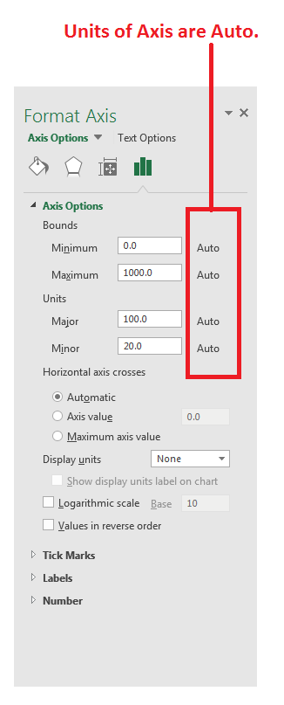
554 | 566
882 | 302

